Instructions & Examples
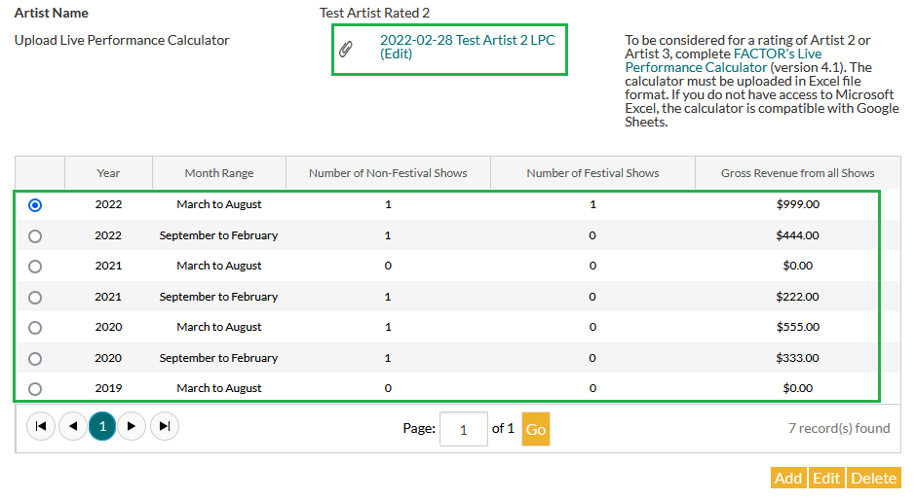
Live Performance Calculator
Version 6.0

Instructions & Examples
Step 1
Step 1 | 1. Select the drop-down option or enter information in blue cells.
 | 2. Enter Artist Name and the Profile Review Deadline.
 | 3. Enter every paid, public performance date by this artist in the past 36 months and future 6 months.
 | 4. All amounts entered in Step 1 must be in Canadian dollars. Please use Currency Converter tab for any required conversions.

Artist Name | Sample Artist
Profile Review Deadline | 2024-02-29

Live Performance Information
Important: All columns must be completed. Any lines with blank sections will not be counted toward your Live Performance totals.
Performance Date WARNING - Be sure to type in each date. Copying and pasting dates results in miscalculations. | City | Country | Venue | Promoter Name | Is this a festival performance? WARNING - Be sure to select Yes or No. Copying and pasting "Yes" or "No" results in miscalculations. | Is this a virtual performance? WARNING - Be sure to select Yes or No. Copying and pasting "Yes" or "No" results in miscalculations. | Artist Gross Revenue/Guarantee (Only required if date has passed)
2021-05-30 | Edmonton | CAN | Jubilee Auditorium | Alex Wright | No | Yes | $999.00
2021-11-02 | Toronto | CAN | The Horseshoe | Jesse Smith | No | No | $444.00
2021-07-31 | Montreal | CAN | Osheaga | Jean Daoust | Yes | Yes
2021-08-23 | Halifax | CAN | The Bus Stop Theatre | Morgan Who | No | No
Step 2
Step 2 | 1. Go to your artist profile in the FACTOR portal.
 | 2. Go to the Live Performance section and click the "Add" button to create a new entry, or "Edit" to update a prior entry.
 | 3. Using the Summary table below, enter the numbers in columns E, F, and G into the portal entry for the six-month period that corresponds with columns B, C, and D (e.g. March to August 2021).
 | 4. Click the "Save" button.
 | 5. Click the "Add" or "Edit" button again, and repeat for all seven periods listed below (past 36 months from Profile Review Deadline Date, and future 6 months from Profile Review Deadline Date).
 | 6. Save this spreadsheet, then upload one copy to the main Live Performance page.

Summary
Note: This section will auto-populate based on your performance entries in Step 1.
Year End (Year of last month in the 6-month period) | From | To | Total Number of Festival Shows | Total Number of Non-Festival Shows | Total Number of Virtual Shows | Gross Revenue
2023-08-28 | 2018-03-28 | 2018-08-28 | 1 | 1 | 0 | $999.00
2023-02-28 | 2017-09-28 | 2018-02-28 | 1 | 0 | 1 | $444.00
2022-08-28 | 2018-03-28 | 2018-08-28 | 0 | 0 | 0 | $0.00
2022-02-28 | 2017-09-28 | 2018-02-28 | 0 | 1 | 0 | $222.00
2021-08-28 | 2017-03-28 | 2017-08-28 | 0 | 1 | 1 | $555.00
2021-02-28 | 2016-09-28 | 2017-02-28 | 0 | 1 | 1 | $333.00
2021-08-28 | 2016-03-28 | 2016-08-28 | 0 | 0 | 0 | $0.00
Updating the Artist Profile
Updating the Artist Profile

 | 1. Go to your artist profile in the FACTOR portal.
 | 2. Go to the Live Performance section and click the "Add" button to create a new entry, or "Edit" to update a prior entry.

 | 3. Using the Summary table below, enter the numbers in columns E, F, and G into the portal entry for the six-month period that corresponds with columns B, C, and D (e.g. March to August 2021).
 | 4. Click the "Save" button.
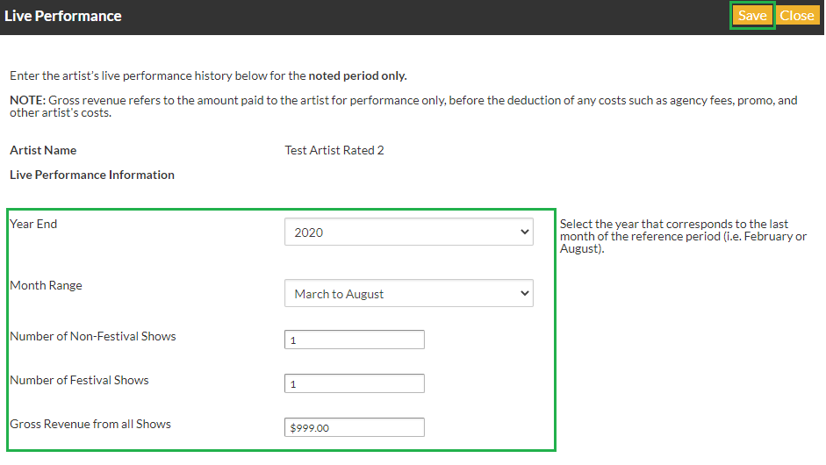

 | 5. Click the "Add" or "Edit" button again, and repeat for all seven periods listed below (past 36 months from Profile Review Deadline Date, and future 6 months from Profile Review Deadline Date).

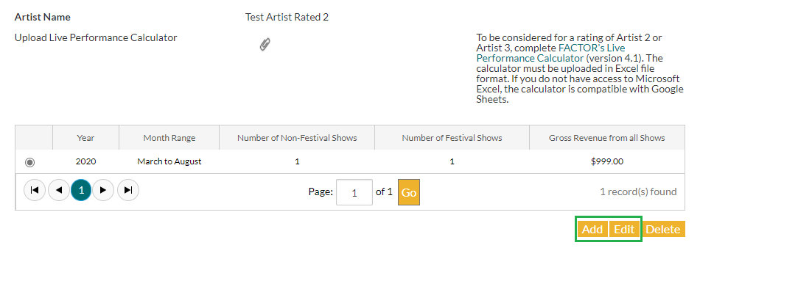

 | 6. Save this spreadsheet, then upload one copy to the main Live Performance page.

